Sheet1
Analysis Variables | Plot w/ Fitted Line | Regression Line Equation | Plot, Hist, QQnorm | R^2 | SSE | SSR | TSS | Passes Linearity Test | Passes Normality Test
Unemployment vs Crime | 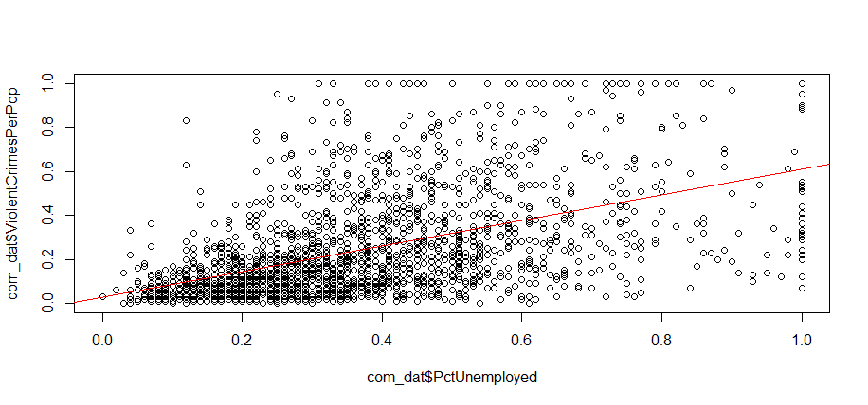 | y^ = 0.026736 + 0.581087x | 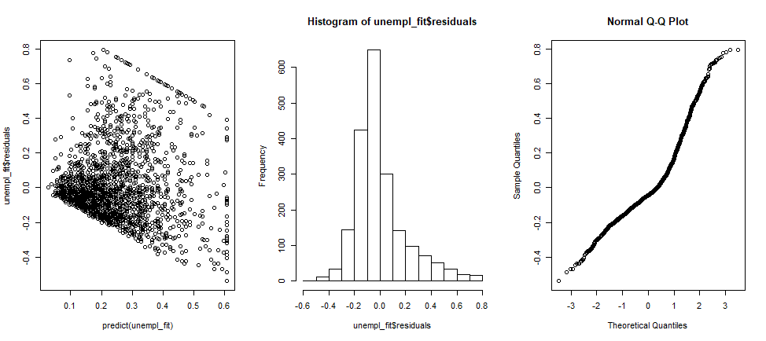 | 0.2012 | 80.678 | 27.506 | 108.184 | F | F
Exp(Unemployment) vs Crime | 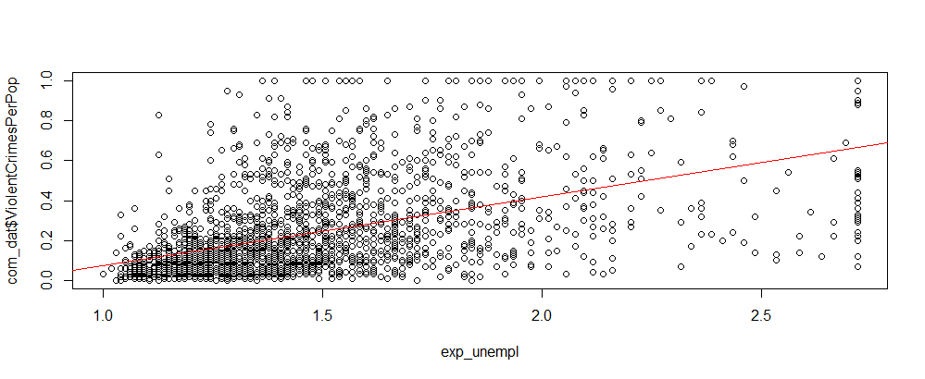 | y^ = 0.38832 - 0.42923x | 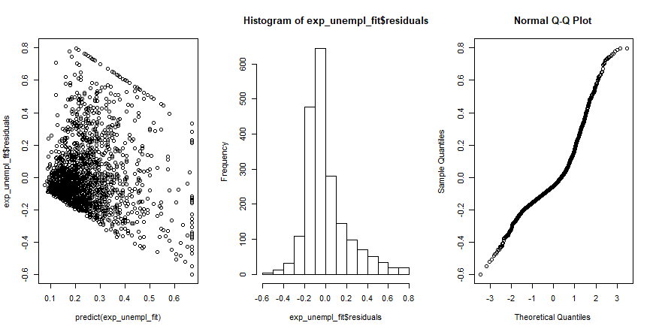 | 0.124 | 94.773 | 13.411 | 297.353 | F | F
exp(perCapIn) vs Crimes | 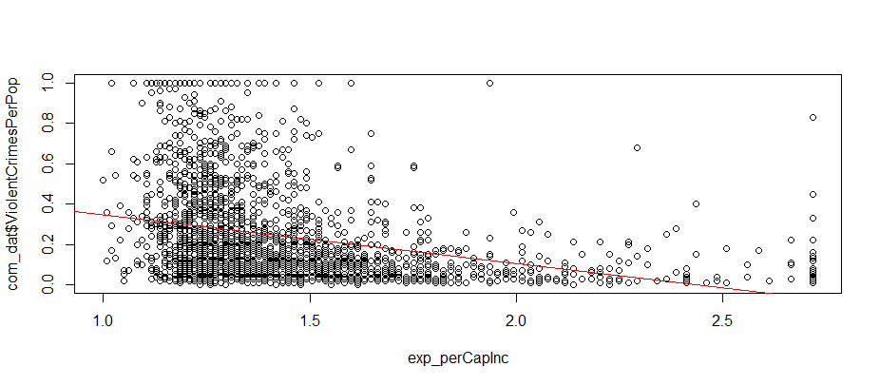 | y^ = 0.58540 - 0.23993x | 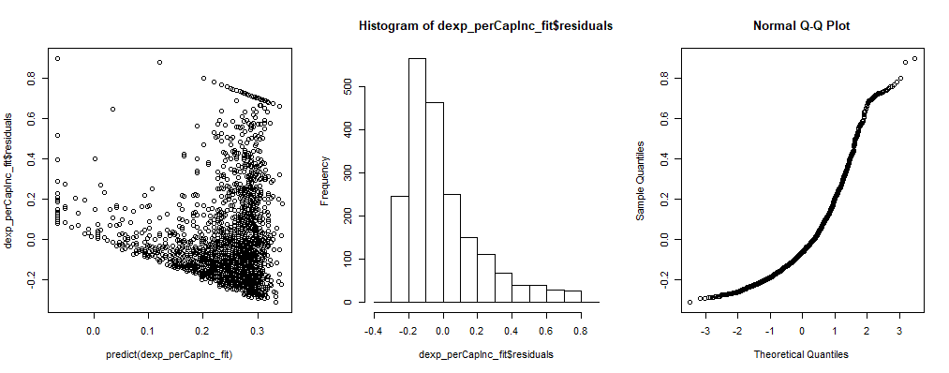 | 0.1078 | 96.523 | 11.661 | 108.184 | F | F
perCapIn vs exp(Crimes) | 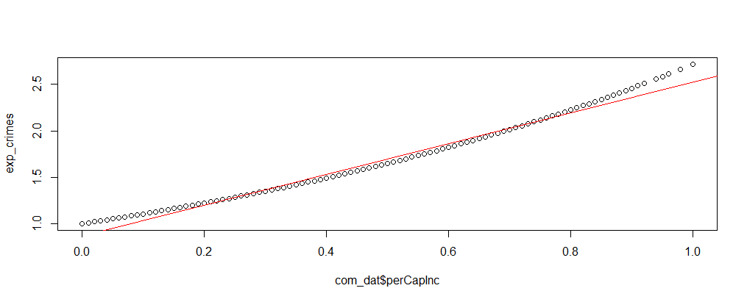 | y^0.869462 + 1.651776 | 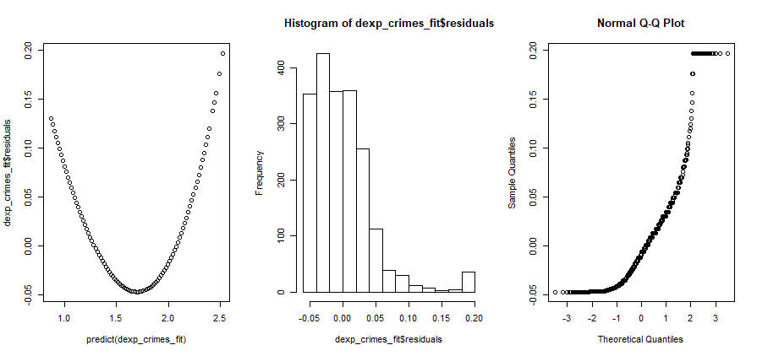 | 0.9804 | 3.98 | 198.6 | 202.58 | F | F
medRent vs Crimes | 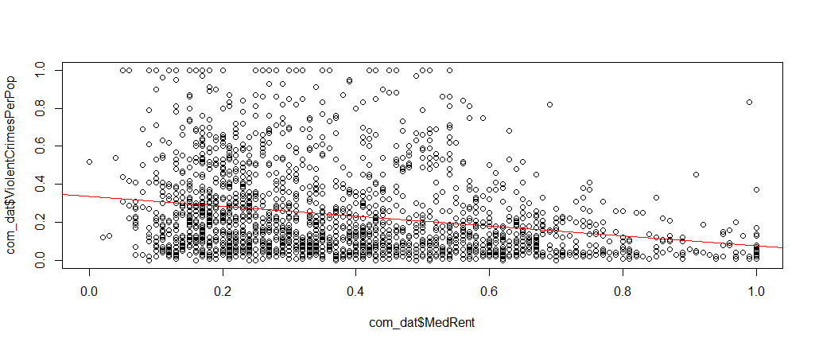 | y^ = 0.33856 - 0.26187x | 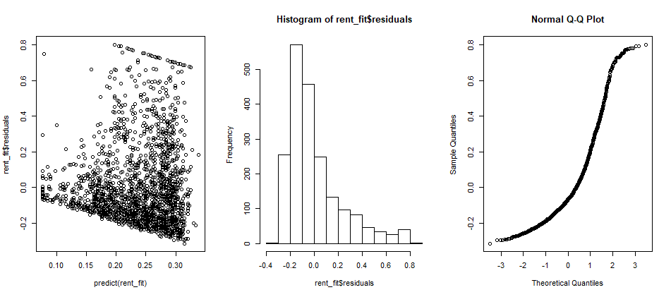 | 0.05753 | 101.96 | 6.224 |  | F | F
white perCap vs Crimes | 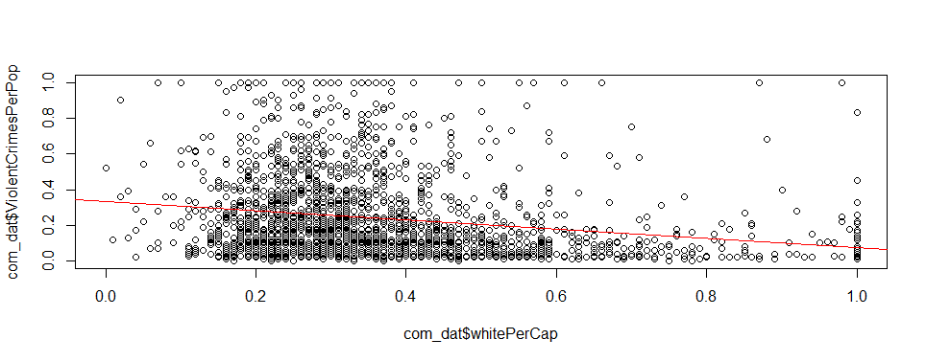 | y^ = 0.33404 -0.26101x | 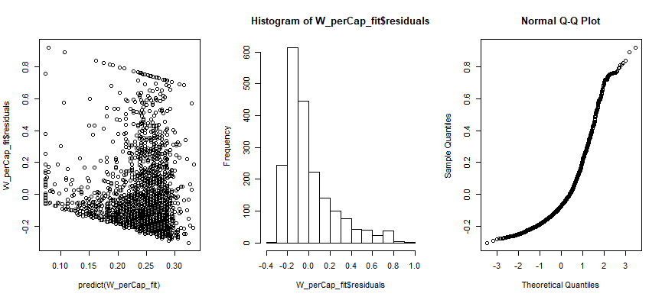 | 0.04379 | 103.446 | 4.738
White police vs Crimes | 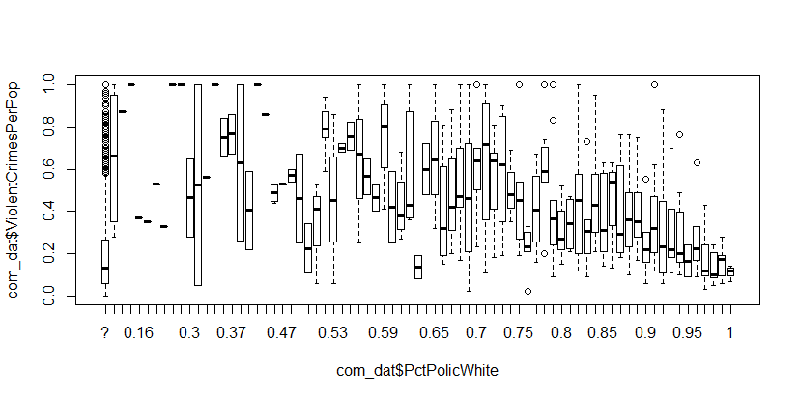 | ******? | 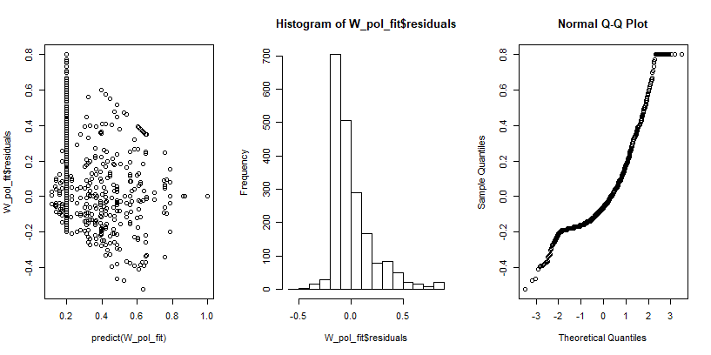 | ******? |  |  |  | T | F

